Foglio1
Code | Code 2 | Descr. Code | Foto | SRP | QTY | SRP TOT
RECARO23-917030 | 891703000050 | RECARO SADENA 2 in 1 STROLLER PRIME MAT BLACK | 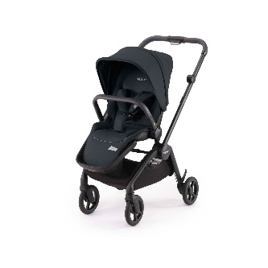 | 229.00 € | 120 | 27,480.00 €
RECARO23-917034 | 891703400050 | RECARO SADENA 2 in 1 STROLLER FROZEN BLUE | 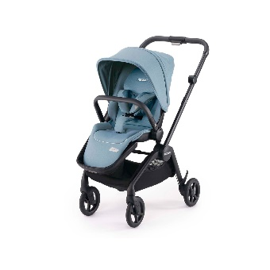 | 229.00 € | 61 | 13,969.00 €
RECARO23-917032 | 891703200050 | RECARO SADENA 2 in 1 STROLLER SKY BLUE | 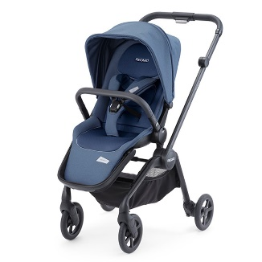 | 229.00 € | 36 | 8,244.00 €
RECARO23-917033 | 891703300050 | RECARO SADENA 2 in 1 STROLLER PALE ROSE | 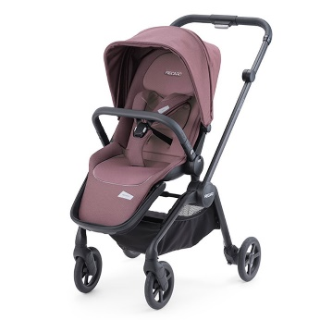 | 229.00 € | 51 | 11,679.00 €
RECARO23-917040 | 891704000050 | SED SADENA CELO SELEC NIGHT BLU |  | 129.00 € | 51 | 6,579.00 €
RECARO23-915051 | 89150510050 | TELAIO COMFORT CELONA SILVER | 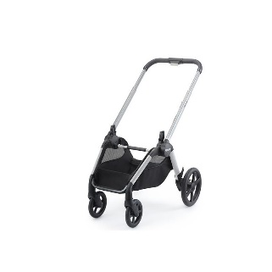 | 129.00 € | 45 | 5,805.00 €
RECARO23-916051 | 89160510050 | TEL COMPOSIZIONE SADENA SILVER |  | 129.00 € | 269 | 34,701.00 €
RECARO23-911033 | 00089110330050 | STROLLER EASYLIFE ELITE2 PRIME PALE ROSE | 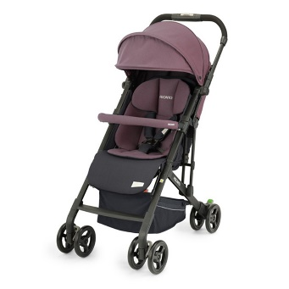 | 269.99 € | 45 | 12,149.55 €
RECARO23-802730 | 00088027300070 | EASYLIFE BAG | 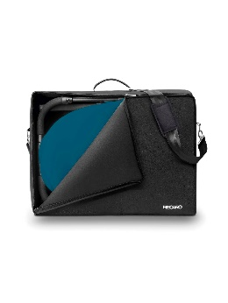 | 49.99 € | 595 | 29,744.05 €
RECARO23-921035 | 00089210350070 | HANDWARMER / GLOVES FOR STROLLERS |  | 59.99 € | 270 | 16,197.30 €
RECARO-6140050 | 00088006140050 | ACCESSORIES CITYLIFE BABYWANNE LIME |  | 149.90 € | 94 | 14,090.60 €
RECARO-6070050 | 00088006070050 | ACCESSORIES CITYLIFE BABYWANNE PINK |  | 149.90 € | 86 | 12,891.40 €
RECARO-6130050 | 00088006130050 | ACCESSORIES CITYLIFE BABYWANNE RUBY | 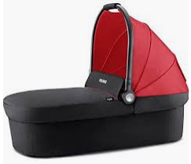 | 149.90 € | 80 | 11,992.00 €
RECARO-6120050 | 00088006120050 | ACCESSORIES CITYLIFE BABYWANNE SUNSHINE |  | 149.90 € | 93 | 13,940.70 €
RECARO-27320070 | 00088027320070 | ADAPTOR PRIVIA EVO-GUARDA FOR EASYLIFE |  | 29.95 € | 500 | 14,975.00 €
RECARO-30320070 | 00088030320070 | ADAPTOR PRIVIA EVO-GUARDIA FOR CITYLIFE | 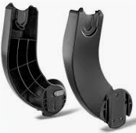 | 39.95 € | 500 | 19,975.00 €
RECARO-33320070 | 00088033320070 | ADAPTOR ZERO.1 ELITE FOR EASYLIFE & CITY | 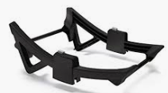 | 34.95 € | 96 | 3,355.20 €
RECARO-30300070 | 00088030300070 | ADDITIONAL CUPHOLDER FOR CITYLIFE | 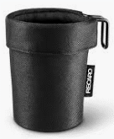 | 24.95 € | 99 | 2,470.05 €
RECARO-18010050 | 00088018010050 | BASE FIX | 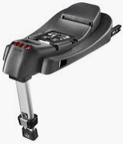 | 219.00 € | 256 | 56,064.00 €
RECARO-21240050 | 00088001240050 | CAR SEAT GUARDIA PERFORMANCE BLACK |  | 219.00 € | 326 | 71,394.00 €
RECARO-1230050 | 00088001230050 | CAR SEAT GUARDIA RACING RED | 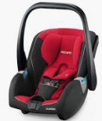 | 219.00 € | 269 | 58,911.00 €
 |  |  |  |  |  | 338,149.85 €

